App Screens and Specs
Screens description:

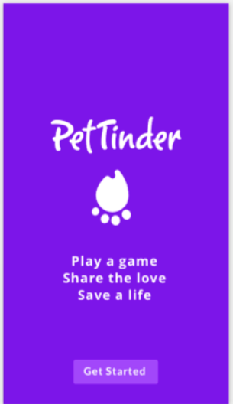
Splash Screen:
 |  | Specifications: | link

 |  | When pressing "Get started" button:
 |  | If user is already registered, go directly to the Pet's screen | Pet Screen
 |  | If it is user's first time, go to the Registration screens | Sign up/Registration screens

Sign up/registration, sign in:

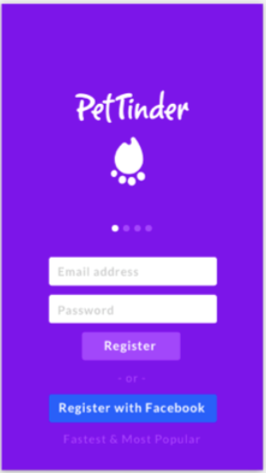
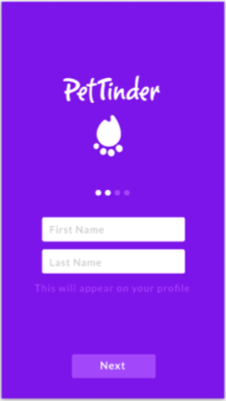
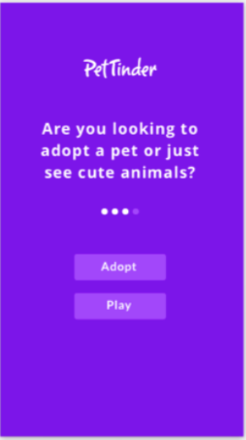
registration screen 1: | registration screen 2: | registration screen 3:
Capture email and password, or allow Facebook registration | Capture First Name and Last Name | FUTURE DEVELOPMENT: Capture flag "adopt" if user clicks on "Adopt Button" | Specifications: | link
 |  |  | Once registration is finished, go to the Welcome Tour screens: | Welcome Tour screens

Welcome tour screens
After registration, the following welcome tour screens shall be displayed:

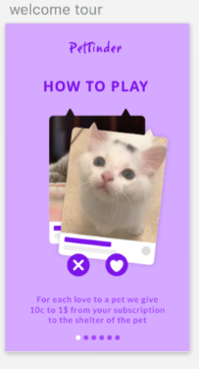
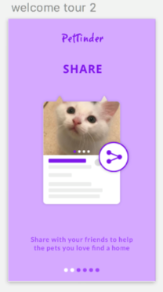
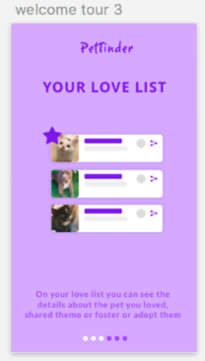

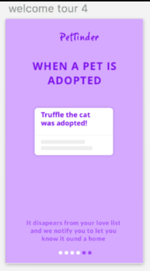
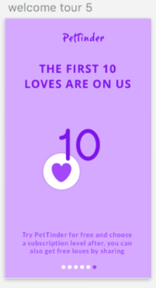
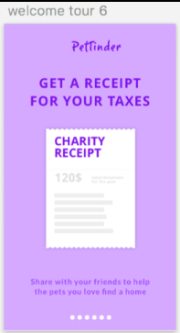

Pet screen
This is the screen diplaying the pet's picture, name, gender and breed, as retrieved from the PetFinder API

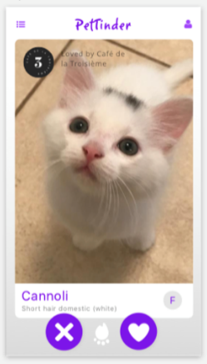
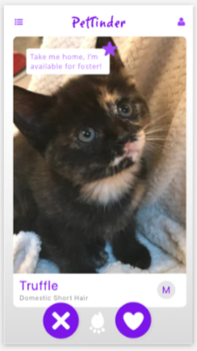
 |  | Specifications: | Links

 |  | Pets retrieved from the PetFinder API shall all be within a 500km radius from user's phone geolocation. | PetFinder API documentation
 |  | Pets which are on the user's discarded pets list shall be filtered out from the pets retrieved
 |  | Pressing the 'X' button shall do the same as swiping left
 |  | Pressing the heart button shall do the same as swiping right
 |  | Swiping right or pressing the heart button will add this pet to user's Love list, and display the pet's complete profile | Pet's profile screens
 |  | Swiping left or pressing the 'X' button will display another pet, and add the pet to the user's discarded pets list, so that this user doesn't see this pet anymore.
 |  | If user has an "adopt" profile, a message will indicate when a pet is available for foster (see right screen)
 |  | FUTURE DEVELOPMENT: businesses who play the game will be able to "sponsor" a pet. All pets added to their Love list will display a badge with the business name (see left screen)
 |  | The Share button shall be visible on the Pet screen, although it is not on the demo screens.
 |  | Pressing on the top left button shall display the app's menu | Go to app menu screens
 |  | Pressing on the top right button shall display the user's profile (see below) | Go to user's profile screens

Pet profile screens

When user swipes right, the pet's detailed profile shall be displayed, and this pet shall be added to user's Love list
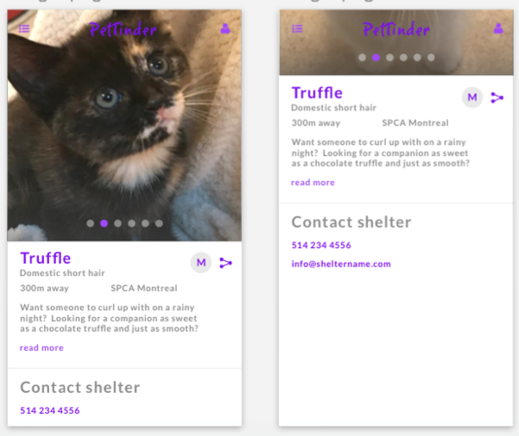
 |  | Specifications: | Links

 |  | Swiping left shall display another pet
 |  | Swiping right shall display the next detail screen for this pet
 |  | User shall also be able to share the Loved pet from this screen
 |  | Pressing on the top left button shall display the app's menu | Go to app menu screens
 |  | Pressing on the top right button shall display the user's profile. | Go to user's profile screens
 |  | There will be as many "dots" displayed as pictures in the pet profile, so that user can swipe through all pictures provided.

User profile screens

These screens shall be displayed when pressing the top right button, from all screens except the Welcome Tour and Registration screens

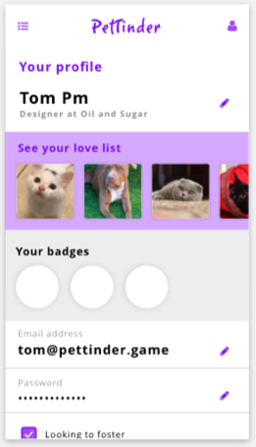
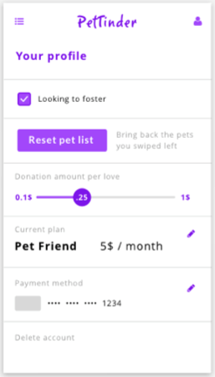
 | swiping down: | Specifications: | Links
 |  | Values shall be editable when pressing the pen

 |  | See Back-end specs for description of badges
 |  | FUTURE DEVELOPMENT: "Looking to foster" flag is what determines if user gets an indication of which pets are available for foster
 |  | Pressing on "Reset pet list" button will delete the user's discarded pets list
 |  | The "Donation amount per love" section shall be a slider, where user can set the amount which will be donated per swipe. This affects the number of pets she can add to the love list each month. If she wants to add more, she can make a one-time top up donation of $5 or $10.
 |  | The "Current plan" section is to determine user's monthly donation
 |  | The "Payment method" section will be different from what is shown on the sketch: it will rather show a button to redirect user to payment methods (third-party app)
 |  | Pressing on "Delete account" shall delete this user account completely. It should first ask user "are you sure you want to delete your account?".
 |  | There should also be an option to suspend the account. When user chooses this option, he will then get a pop-up to be able to choose a number of one to three months, or until user reactivates his account himself.
 |  | Pressing on the top left button shall display the app's menu | Go to app menu screens
 |  | Pressing on the top right button shall display the user's profile. | Go to user's profile screens

Menu screens

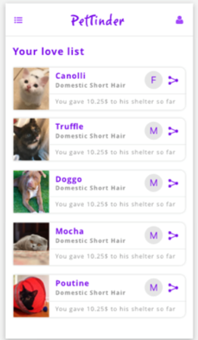
Hamburger options:
1) Love list
 |  | Specifications: | Links
 |  | This screen shall display all pets retrieved from the user's Love list
 |  | User shall be able to share any pet from the Loved list by pressing the share button.
 |  | From any pet on the Loved list, there shall be a link to make a donation to that particular shelter (not shown on the print screen)
 |  | Pressing on the top right button shall display the user's profile. | Go to user's profile screens

2) Welcome tour screens
Same screens as above

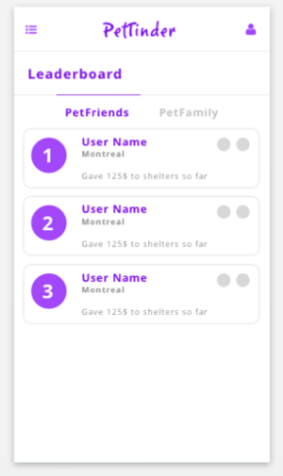
3) Leaderboard
 |  | Specifications: | Links
 |  | This screen shall display users in the same group. When user invites someone else to play PetTinder, he will see the invited user in his Leaderboard. The same way, if a user has been invited by another user, he will see the inviting user in his Leaderboard.
 |  | The total amount donated by this user shall be displayed for each user on the Leaderboard
 |  | Pressing on the top right button shall display the user's profile. | Go to user's profile screens

4) About PetTinder

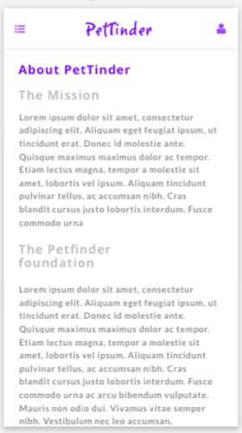
 |  | Specifications: | Links
 |  | This screen shall display information about PetTinder.

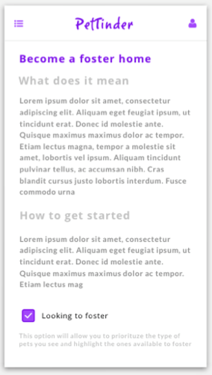
5)Become a foster home
 |  | Specifications: | Links
 |  | This screen shall display information about becoming a foster home.

6)FAQ (will contain a link to the web page) |  | Specifications: | Links
(no example screen) |  | This screen will display a list a frequently asked questions and answers, and a link to the PetTinder's website, where a form will be available to ask new questions

Social media share button logic

When user clicks on the share button, she will get the standard pop-up to choose on which media to share.
There will be a default text "Hi, I way this pet on PetTinder and thought of you", with a variable containing the link to see this pet.

